Admin Board
 | Test Case Description | Expected Result | Website Screenshot of the Expected Result
1 | Open a web browser and navigate to http://localhost:3000/ to see the application in action. i) Start NodJS command prompt and go to the destination folder of the project. Use command node server Ii) Start mongoDB command line, it will runn the server automaticall iii) Open URL http://localhost:3000/ | The homepage should load
2 | For admin login: User id: admin Password: admin Action: Press Login Button | The page with admin login credential | 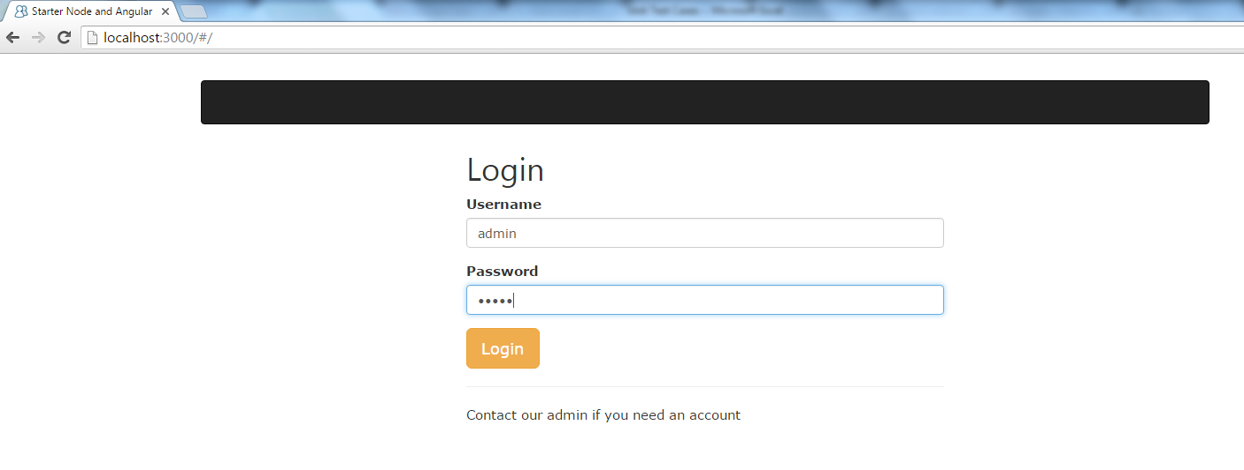
3 | User Management Page will be opened | The page should contain Name, Email, Username, Passowrd field. Fields should be highlighted with red color as they are blank. There should be three options to add, update and clear the fields. | 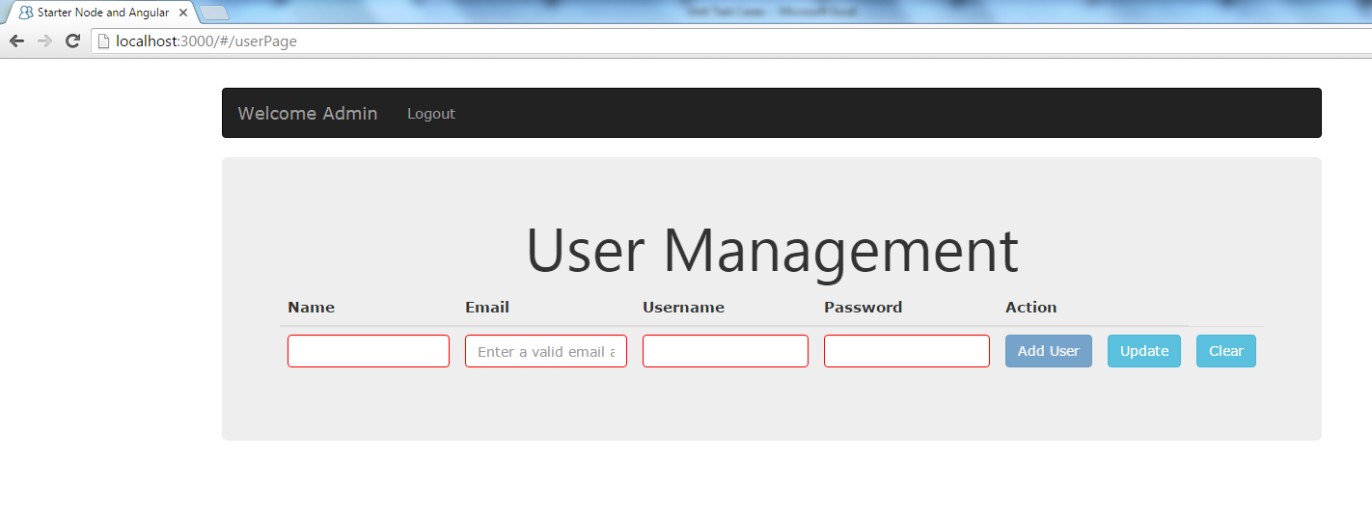
4 | Provide the valid information to add a user. | 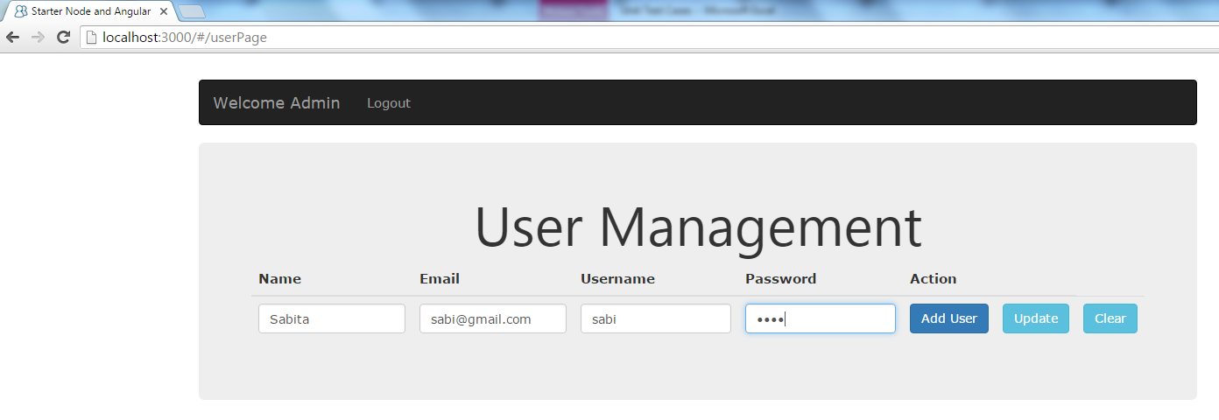 The fields should not be red in color after providing information.
5 | Click Add user button. | The user and the information about the user should be added to the board. There will be two options to remove and edit the information from the board. | 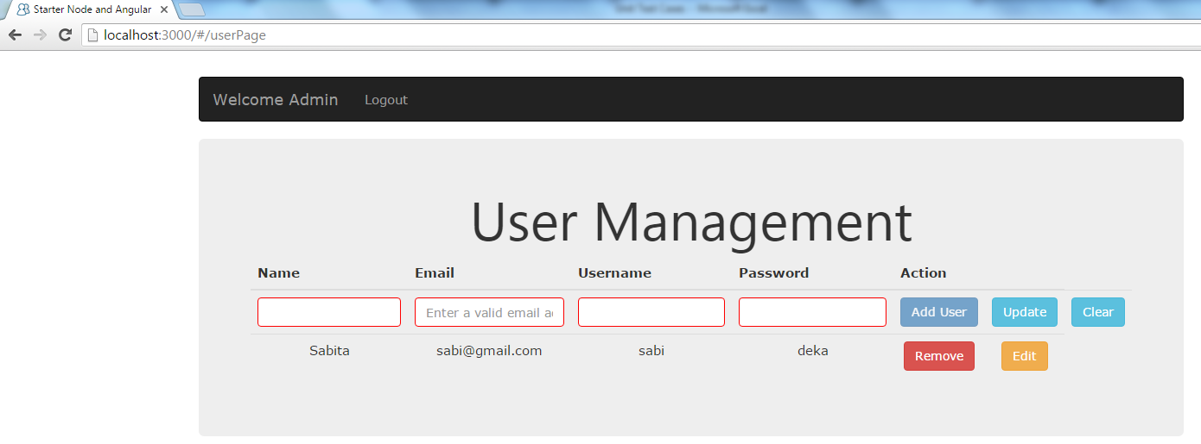
6 | Click Edit button | The information to be edited should be displayed in the fields displayed on top. | 
7 | Click Update button | The updated information should be displayed. | 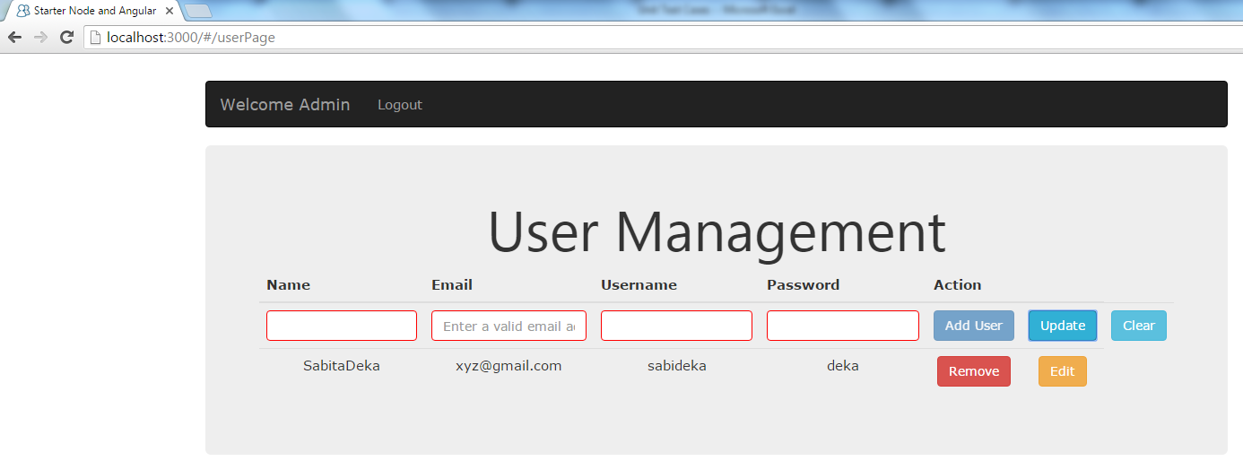
8 | Click Remove button | The information should be removed from the board | 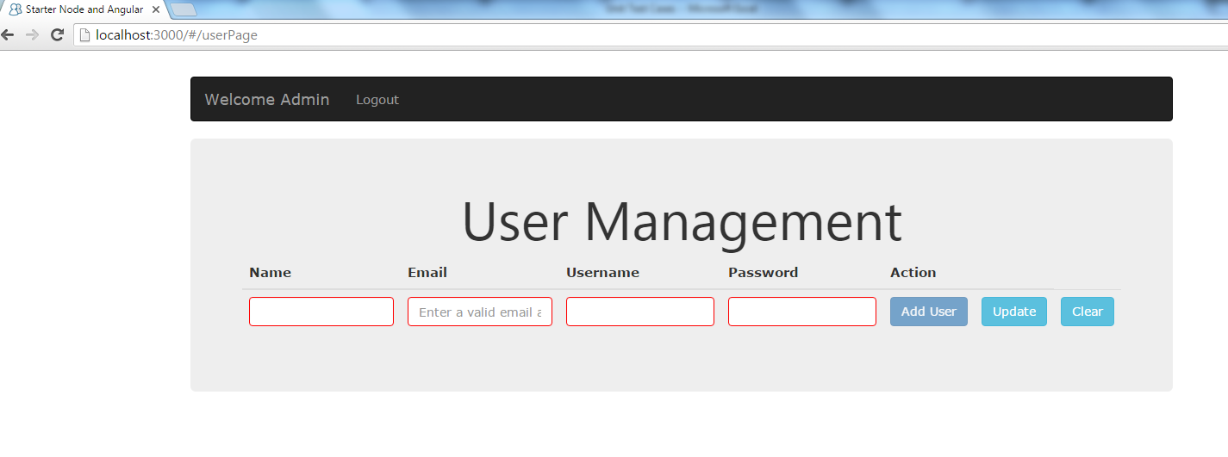
9 | Follow the same steps to add multiple users. | All the users should be displayed with information son the board | 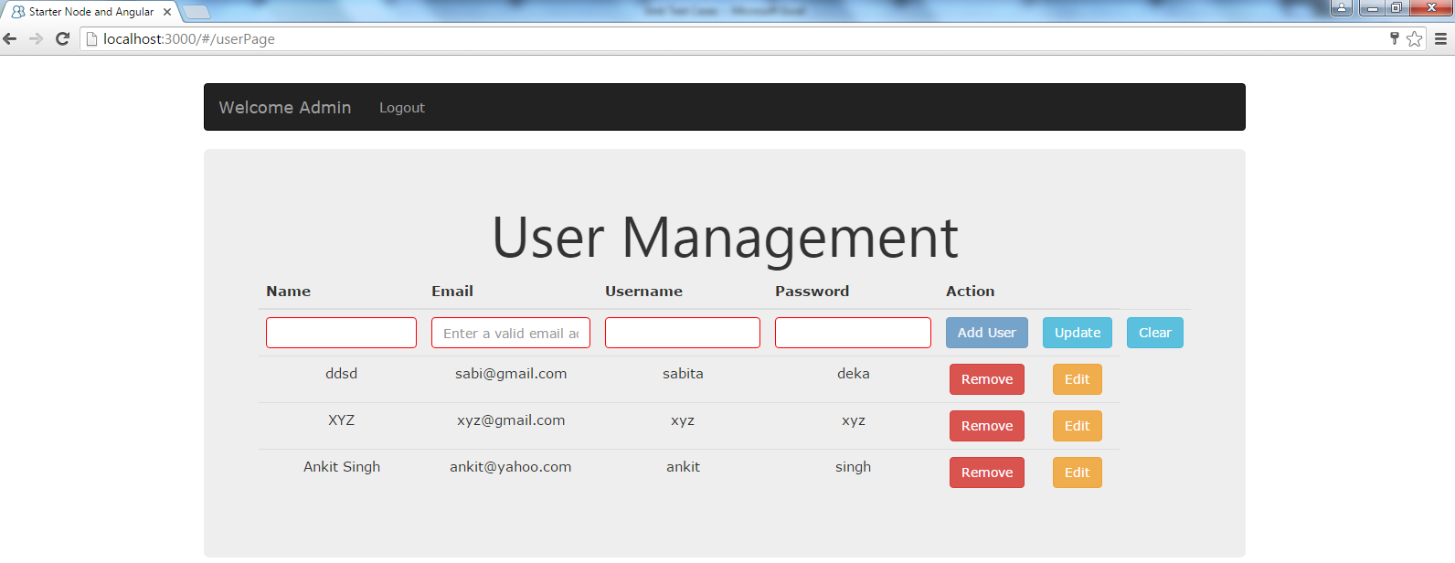
10 | Provide the valid information in the fields and click clear button. | All the fields should be blank exept placeholders.
 |  | It will redirect the page to "All boards of User" page | 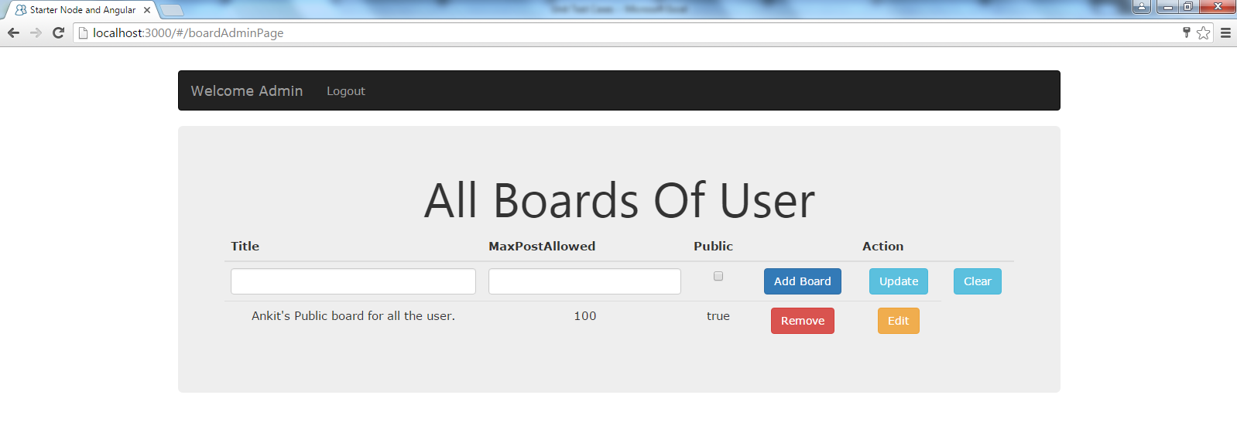

User Board
 | Test Case Description | Expected Result | Website Screenshot of the Expected Result
1 | Open a web browser and navigate to http://localhost:3000/ to see the application in action. i) Start NodJS command prompt and go to the destination folder of the project. Use command node server Ii) Start mongoDB command line, it will runn the server automaticall iii) Open URL http://localhost:3000/ | The homepage should load
2 | Pick one of the user that admin has created awith its password and login. For user login: User id: sabita Password: deka Action: Press Login Button | The page with admin login credential | 
3 | "Manage Tour Boards" page will be opened | The page should contain Titlefor the board, public/private option. There should be three options to Add Board, update and Clear. | 
4 | Provide the valid information to the title field. | The title field should contain the name of the board. The board name should be a link so that user can click and go to the post page to post notes. There will be two options to remove and edit the information from the board. | 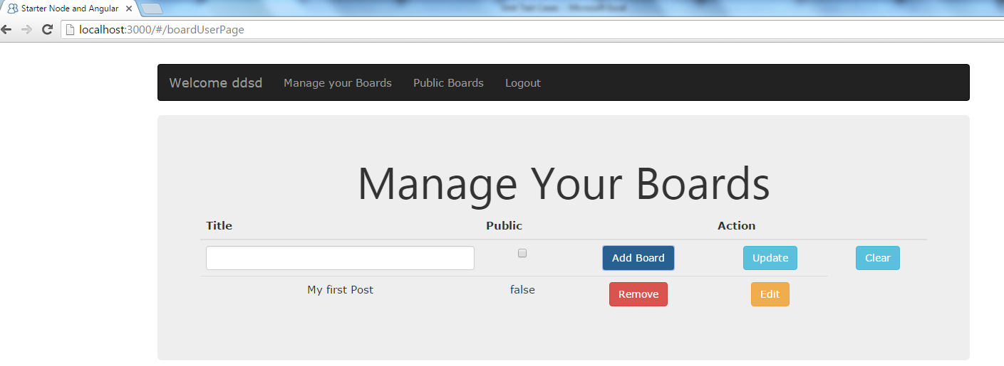
5 | Fill the title field, this time check the public box. | The title field should contain the name of the board. The board name should be a link so that user can click and go to the post page to post notes. There will be two options to remove and edit the information from the board. The public option should be checked. | 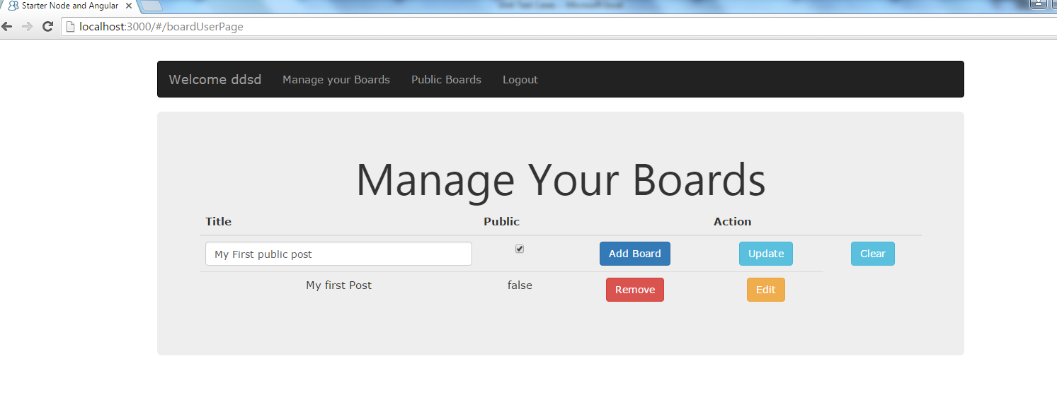
6 | Click Add Borad option. User can Edit and remove the title as described in the admin page. | The public option should be true this time after adding the board. | 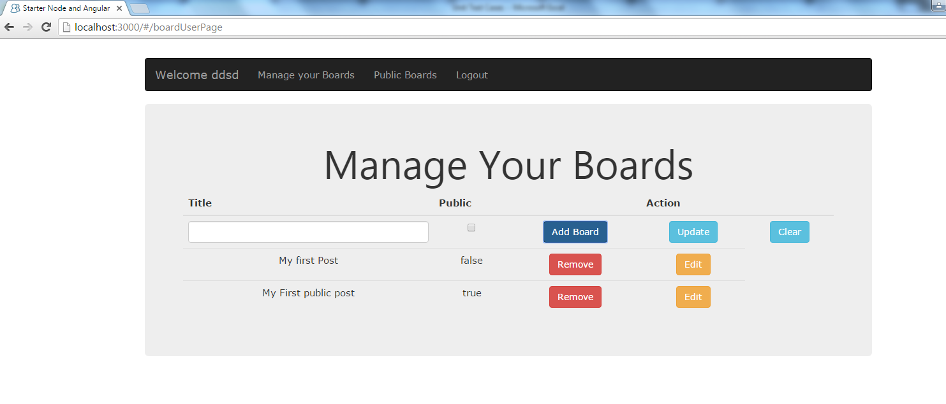
7 | Click the board name to go to the next page | The Manage Your Post page should be displayed with a textbox. There will be three options Add Post, Update and Clear. | 
8 | Add some content and click Add Post button. | The post should be displayed on the page with two options Update | 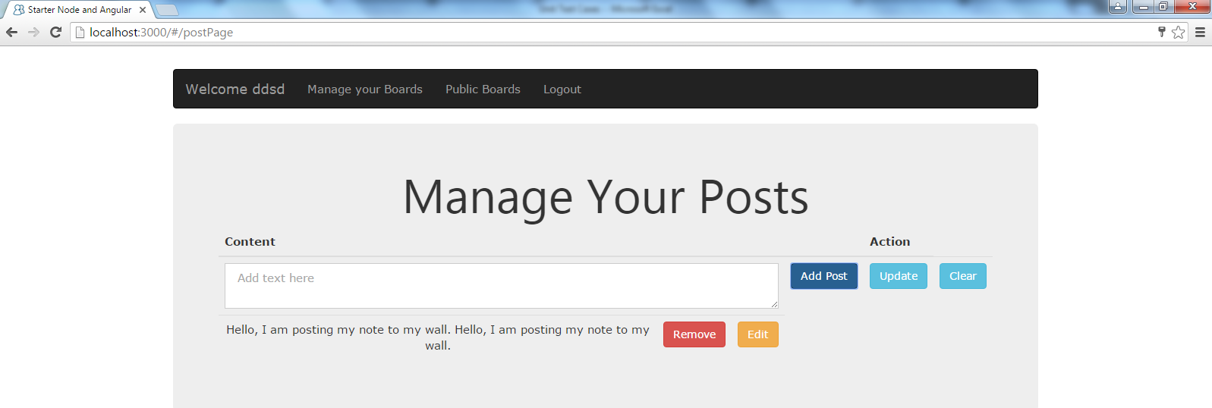
9 | Follow the same steps to add multiple posts. | All the posts should be displayed on the board. | 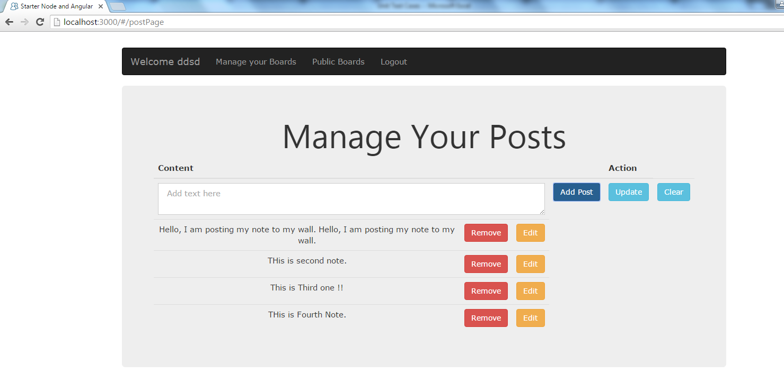
10 | Click on the Public boards to view the public board of othe rusers. | The public boards of all the user should be displayed. | 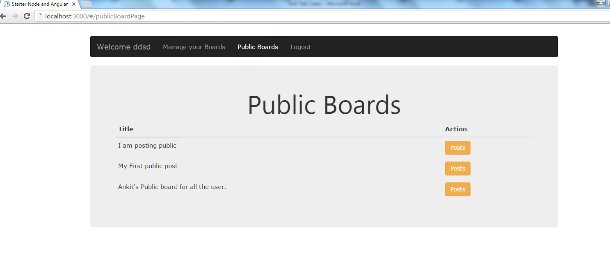
11 | Click on the Manage Your Boards. | The Manage Your Boards page of the user will be displayed with the added posts. | 